FORNO (Burger&Croissant)
DATE | DESCRIPTION | QUANTITY | PRICE | BILLS | SUBTOTAL | TOTAL
19-Feb-2026 | BURGER BUN 80 GR | 20 | IDR 8,000 | 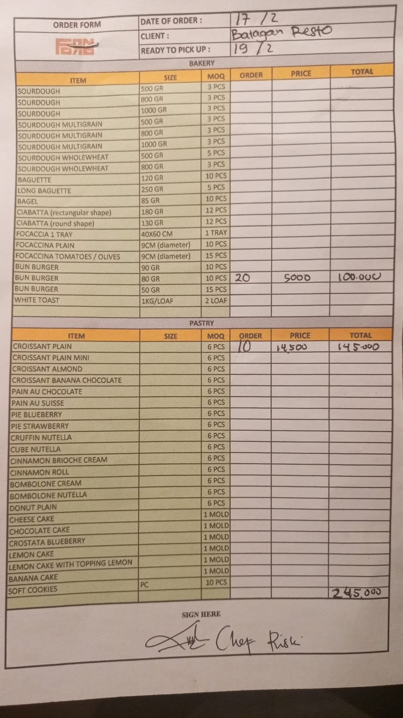 | IDR 160,000 | IDR 410,000
 | PLAIN CROISSANT | 10 | IDR 25,000 |  | IDR 250,000
20-Feb-2026 | BURGER BUN 80 GR | 20 | IDR 8,000 | 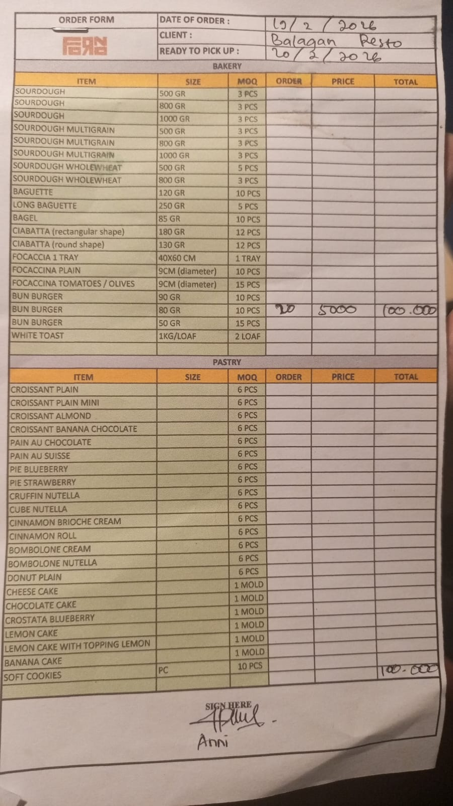 | IDR 160,000 | IDR 160,000
24-Feb-2026 | BURGER BUN 80 GR | 20 | IDR 8,000 | 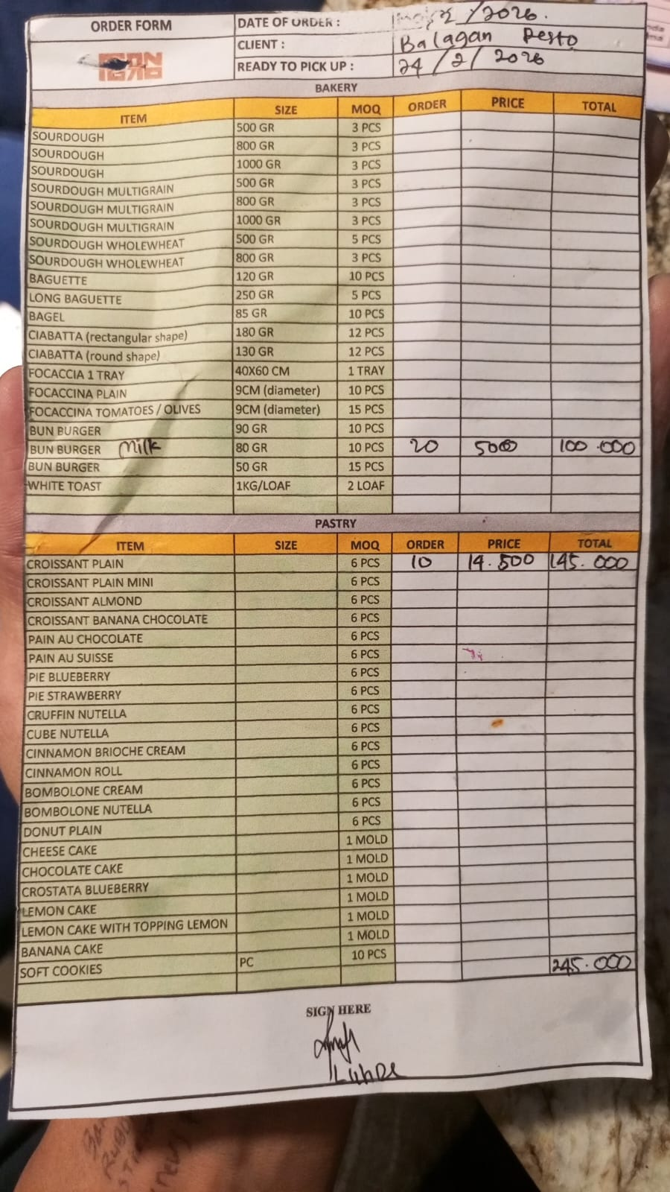 | IDR 160,000 | IDR 410,000
 | PLAIN CROISSANT | 10 | IDR 25,000 |  | IDR 250,000
27-Feb-2026 | BURGER BUN 80 GR | 25 | Rp8,000 | 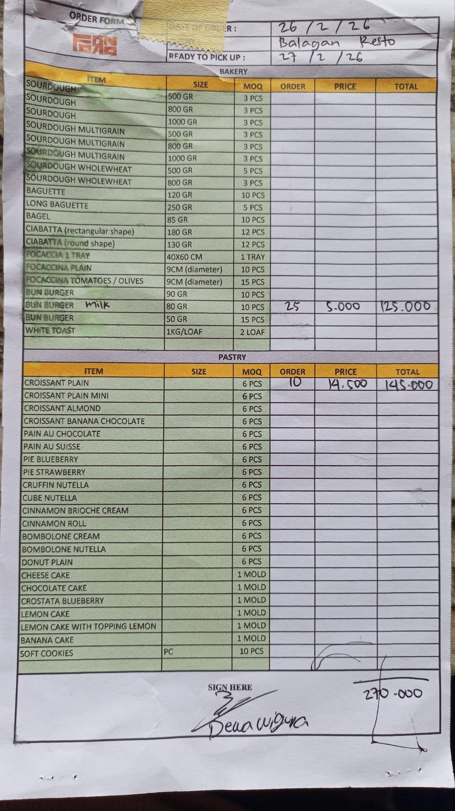 | IDR 200,000 | IDR 450,000
 | PLAIN CROISSANT | 10 | Rp25,000 |  | IDR 250,000
 |  |  |  |  | IDR - | IDR -
 |  |  |  |  | IDR - | IDR -
 |  |  |  |  | IDR - | IDR -
 |  |  |  |  | IDR - | IDR -
 |  |  |  |  | IDR - | IDR -
 |  |  |  |  | IDR - | IDR -
 |  |  |  |  | IDR - | IDR -
 |  |  |  |  | IDR - | IDR -
 |  |  |  |  | IDR - | IDR -
 |  |  |  |  | IDR - | IDR -
 |  |  |  |  | IDR - | IDR -
 |  |  |  |  | IDR - | IDR -
 |  |  |  |  | IDR - | IDR -
 |  |  |  |  | IDR - | IDR -
 |  |  |  |  | IDR - | IDR -
TOTAL |  |  | Rp1,430,000
PPN 11% |  |  | Rp157,300
GRAND TOTAL |  |  | Rp1,587,300

